Congatec
 |  |  |  | Spare Part Congatec
No. | Spare Name | Description | Congatec Part Number | Where Use | Location | Total | Change Rate | Photo
1 | 10.4'' LVDS Panel G104SN03 V5 |  | 10000119 | 16000035C-C.1 congatec COM Express Type 10 Testbed, 16000031A-A.6 congatec QEVA 2.0 Testbed, 16000026C-C.3 congatec Qseven Testbed (ARM), 16000024C-C.1 congatec COM Express Type 6 Testbed | Test Area | 0
2 | G156HTN01.0 - TFT-LCD Display (15,6") |  | 10000193 | Common for Congatec | Test Area | 1
3 | cab-eDP Display G156HTN01.0 to LVS02-M340G01 Connector | eDP display cable for G156HTN01.0 eDP display use: * length: 500 mm * AWG 40 * Connection Side 1: LVS02-M340G01 * Connection Side 2: I-PEX 20453-030T | 48000046 |  |  | 1 |  |  | request
4 | INTEL GIGABIT CT DESKTOP ADAPTER | PCI Express Ethernet Card base on Intel WG82574L chip | 10000187 | Common for Congatec | Test Area | 1 |  |  | request
5 | PCI-Express Test Card PCI |  | 500030 | Common for Congatec | Test Area | 1
6 | conga-HDMI add-on card | conga-HDMI add-on card (formally known as conga-HDMI ADD2 Card) is used to connect HDMI Display directly to the "PCIe x16 for Graphic Card Adapter" on the QEVA / QEV2. | 500025B | 16000026C-C.3 congatec Qseven Testbed (ARM) | Test Area | 2
7 | Mini-PCI-Express Test Card MINI-EXPRESS 2 | Bear Tech Mini-PCI-Express Test Card MINI-EXPRESS 2 | 10000088 | 16000045A-A.3 congatec SMARC 2.0 x86 Testbed,16000035C-C.1 congatec COM Express Type 10 Testbed, 16000024C-C.1 congatec COM Express Type 6 Testbed |  | 0 |  |  | request
8 | INTEL(R) GIGABIT CT DESKTOP ADAPTER |  |  | Common for Congatec | Test Area | 2
9 | Graphic Card |  |  | Common for Congatec | Test Area | 3
10 | Graphic Card |  |  | Common for Congatec | Test Area | 1
11 | Graphic Card |  |  | Common for Congatec | Test Area | 0
12 | Graphic Card |  |  | Common for Congatec | Test Area | 1
13 | PCI Express Graphics Card for PciExpress X16 Slot (Low Profile) | graphics card into X16 Pci Express Slot with any kind of graphics output. attention: x) Cards needs support X1 support (including X2,X4,X8) x) Cards must support UEFI Video BIOS x) low profile cards is needs, best with passive cooling | 10000273 | 16000054A-A.0 congatec COM Express Type 6 Testbed (TEVA2), 16000044A-A.2 congatec COM Express Type 7 Testbed
14 | Graphic Card |  |  | Common for Congatec | Test Area | 1
15 | PCI Express Function Test Card PCIEX16-G3 | * Bear Tech PCI-Express card with GEN 3 speed test support Supported software is 2.8 and higher. See Files | 10000118 | congatec COM Express Type 6 Testbed (TEVA2), congatec COM Express Type 7 Testbed, congatec COM Express Type 6 Testbed | Test Area | 1 |  |  | request 1
16 | PCI-Express Test Card PCIEX-02 | PCI-Express Test Card PCIEX-02 | 10000087-A.0 | Common for Congatec | Test Area | 1 |  |  | request 1
17 | generic ATX power supply (< 450W) |  | 10000274 | Common for Congatec | Test Area | 0 |  |  | request
18 | conga-COM Express Type6 Evaladapter |  | 011116X-X.0 | Common for Congatec | Test Area | 4 |  |  | request
19 | conga-COME/Extension-Adapter Rev 2 |  | 047862X | Common for Congatec | Test Area | 1 |  |  | request
20 | DDR3L-SODIMM-1600 (2GB) | DDR3L SODIMM memory module with up to 1600 MT/s and 2GB RAM, commercial temp 0°C to +60°C | 068755A | 16000024C-C.1 congatec COM Express Type 6 Testbed | Test Area | 4 |  |  | request 4
21 | DDR4-SODIMM-2400 (4GB) | DDR4 SODIMM memory module with up to 2400 MT/s and 4GB RAM, commercial temp 0°C to +60°C | 068790B | Common for Congatec | Test Area | 1 |  |  | requst 4
22 | DDR3L-SODIMM-1600 (8GB) | DDR3L SODIMM memory module with up to 1600 MT/s and 8GB RAM, commercial temp 0°C to +60°C | 068757A | 16000054A-A.0 congatec COM Express Type 6 Testbed (TEVA2) | Test Area | 8 |  |  | request 4
23 | generic mSATA FullSize disk with mSATA detection | Interface: SATA 6Gb/s interface (SATA III) *Capacity: 8GB~256GB *Flash Type: MLC *Max. Channels: 2 *Sequential R/W (MB/sec, max.): 530/210 *Max. Power Consumption: 0.6 W (3.3V x 0.2 A) *Preferred features: industrial operation temperature range and coated | 10000155 | 16000054A-A.0 congatec COM Express Type 6 Testbed (TEVA2),16000045B-B.0 congatec SMARC 2.1 x86 Testbed, 16000045A-A.3 congatec SMARC 2.0 x86 Testbed, 16000044A-A.2 congatec COM Express Type 7 Testbed, 16000035C-C.1 congatec COM Express Type 10 Testbed, 16000031A-A.6 congatec QEVA 2.0 Testbed, 16000024C-C.1 congatec COM Express Type 6 Testbed | Test Area | 2 |  |  | request 4
24 | CONVERTER SATA 22 PIN > MSATA FULL SIZE |  |  | Common for Congatec | Test Area | 1 |  |  | request 1
25 | GENERIC M2.A/E TEST CARD | Wifi+Bluetooth M2.AE Test Card * PCI express 2.0 () * USB 3.0/2.0 (Bluetooth) | 10000229-A.0 | 16000045A-A.3 congatec SMARC 2.0 x86 Testbed | Test Area | 0 |  |  | request 2
26 | Mini-PCI-Express Test Card MINI-EXPRESS | Bear Tech Mini-PCI-Express Test Card MINI-EXPRESS 2 | 10000088 | 16000045A-A.3 congatec SMARC 2.0 x86 Testbed, 16000035C-C.1 congatec COM Express Type 10 Testbed, 16000024C-C.1 congatec COM Express Type 6 Testbed | Test Area | 0 |  |  | request 2
27 | LADM, LVDS Adapter - congatec to datamodul connector | Adapter modul to convert congatec LVDS pin assignment to datamodul pin assignment internal project name: LADM | 025489A-A.0 | congatec SMARC 2.0 Tester, congatec QEVA 2.0 Testbed, 16000045A-A.3 congatec SMARC 2.0 Tester, 16000024C-C.1 congatec COM Express Type 6 Testbed | Test Area | 2 |  |  | request 2
28 |  |  |  | Common for Congatec | Test Area | 1
29 | flash drive 16 G |  |  | Common for Congatec | Test Area | 2
30 | Memory Card |  |  | Common for Congatec | Test Area | 2
31 | HDMI |  |  | Common for Congatec | Test Area | 4 |  | 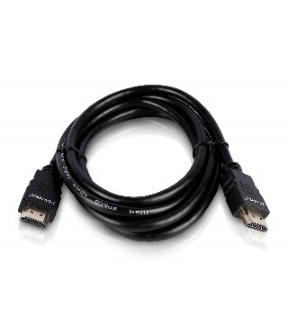
32 | LAN Cable |  |  | Common for Congatec | Test Area | 4
33 | generic SATA cable 50 cm | generic SATA cable SATA-Connector straight to SATA-Connector straight Data transfer rate up to 6 GBit/s length: 0.50m with or without lock clips | 14000022-A | congatec SMARC 2.0 x86 Testbed, congatec COM Express Type 10 Testbed, congatec QEVA 2.0 Testbed | Test Area | 3
34 | screen cable |  |  | Common for Congatec | Test Area | 1
35 | cab-LVDS-power-cable | LED Backlight Inverter Power Cable * to LCD with LED backlight |  | congatec COM Express Type 10 Testbed, congatec QEVA 2.0 Testbed, congatec Qseven Testbed (ARM), congatec COM Express Type 6 Testbed | Test Area | 0
36 | cab-LVDS-data-cable | LVDS data cable for testbed usage * to 10.4" LCD Panel * Hirose (20 pin) to Molex (20 pin) | 14000055 | Common for Congatec | Test Area | 1 |  |  | request 2
37 | screen cable |  |  | Common for Congatec | Test Area | 1
38 | screen cable |  |  | Common for Congatec | Test Area | 0
39 | screen cable |  |  | Common for Congatec | Test Area | 0
40 | cab-LVDS-DAT-34-60 | Data cable for LVDS to LADM adapter: * conn.: IDC receptacle, dual row, 34pin, 2 mm * cable: Flat ribbon cable, 34pin, 1mm pitch * length 60cm | 14000310 | congatec COM Express Type 6 Testbed (TEVA2), congatec SMARC 2.0 Tester (ARM),congatec SMARC 2.1 x86 Testbed, congatec SMARC 2.0 x86 Testbed, congatec COM Express Type 10 Testbed, congatec Qseven Testbed (ARM)
41 | screen cable |  |  | Common for Congatec | Test Area | 2
42 | MXM Socket, 0.50mm Pitch, 230POS | Q7, MXMII connector SMD, 230, 0.5mm, height 7.8mm | AS0B326-S78N-7 | conga-QEVAL/Qseven 2.0 ARM, conga-QEVAL/Qseven 2.0 x86 | Test Area | 14
43 | Foxconn Board to Board Connector 0.5mm |  | QT002206-4131-3H | Common for Congatec | Test Area | 2 |  |  | request
44 | Socket |  |  | Common for Congatec | Test Area | 74
45 | Socket NGBP |  | 53500035 | Common for Congatec | Test Area | 1 |  |  | request
46 | Two-wire Serial EEPROM with 16K (2048x8) DIP8 | Two-wire Serial EEPROM with 16K (2048x8) DIP8 | 43000131 | Common for Congatec | Test Area | 0 |  |  | request 20
47 | Active cooling with 4pin Fan for testbed purposes | * Active cooling with 80-mm-PWM-fan for testbed purposes * copper heatsink * Heat stack applied (30x23x6 mm) * till max. TDP 95 Watt * 1.000 ... > 6.000 U/min * DC12V (fix wires, e. g. with hot glue) * dimensions: 82 mm x 29 mm x 85 mm * suitable model: Dynatron K-199 * preferred gap pad: Taica COH4065LVC (54000022) | 15000095 | Common for Congatec | Test Area | 2 |  |  | request 2
48 | cooling fan |  |  | Common for Congatec | Test Area | 1
49 | cooling fan |  |  | Common for Congatec | Test Area | 2
50 | cooling fan |  |  | Common for Congatec | Test Area | 1 |  | 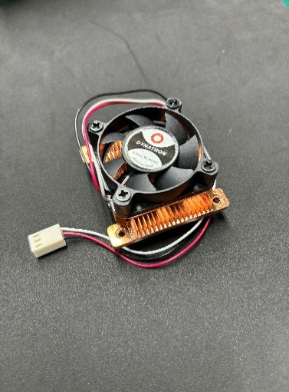
51 | conga-HSP/A-Testbed-25W-with-fan | Small size heatspreader for testbed purposes * For modules with CPU from 10W - 25W TDP * With active cooling FAN, 12V with RPM * Molex PSU connector * preferred gap pad: Taica COH4065LVC (54000022) | 15000077 | congatec SMARC 2.0 Tester (ARM), congatec SMARC 2.0 x86 Testbed, congatec COM Express Type 10 Testbed, congatec QEVA 2.0 Testbed, congatec Qseven Testbed (ARM) | Test Area | 2 |  |  | request 2
52 | Connector Header Surface Mount 40 position 0.050" |  | TFM-120-13-L-D | Common for Congatec | Test Area | 19 |  | 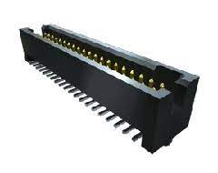
53 | Connector Header Surface Mount 10 position 0.050 |  | TFM-105-13-L-D | Common for Congatec | Test Area | 20 |  | 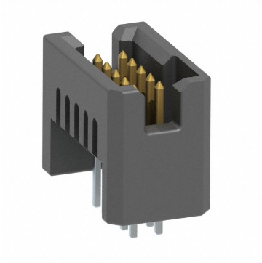
54 | Hair clip lock |  | 2G02718051YSQ5GL2 | Common for Congatec | Test Area | 0
55 | DDR4 - SODIMM-2666(8GB) |  |  | Common for Congatec | Test Area | 2
56 | screen cable |  |  | Common for Congatec | Test Area | 2
57 | screen cable |  |  | Common for Congatec | Test Area | 2 |  | 